RATING
Average of Performance Rating
3.2

Rating | 3.2
Rest rating | 0.8

Background 1
`
JOB SATISFACTION RATING
Rating | 3.2
Rest rating | 0.8
HR ANALYTICS DASHBOARD

Total Employees
Attrition
Active Employees
Attrition Rate
Average Age

1470
237
1233
16%
37

Job wise attrition
Education wise attrition
 | Total
Doctoral Degree | 1
High School | 5
Associates Degree | 13
Master's Degree | 16
Bachelor's Degree | 24
This chart isn't available in your version of Excel. Editing this shape or saving this workbook into a different file format will permanently break the chart.

 | 1
 | 1

0%
100%

Department wise attrition
Age wise attrition
Maritial status attrition

 | 1
 | 1
This chart isn't available in your version of Excel. Editing this shape or saving this workbook into a different file format will permanently break the chart.

Background 2
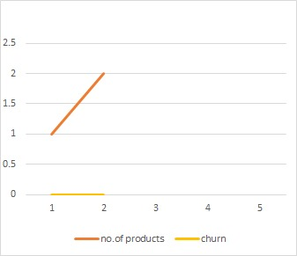
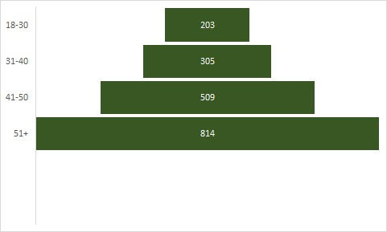
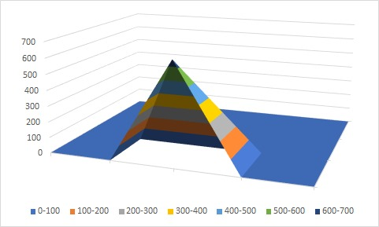
`
CUSTOMER CHURN ANALYTICS DASHBOARD
CHURN BY GENDER
TOTAL CUSTOMERS
10,000
ACTIVE CUSTOMERS
7,963
AVERAGE CREDIT SCORE
650
CUSTOMER SATISFACTION
6.4
 | 1 | 1

CHURN RATE
20.3%
EXITED CUSTOMERS
2,037

TOTAL CUSTOMERS BY GENDER

CHURN BY GEOGRAPHY
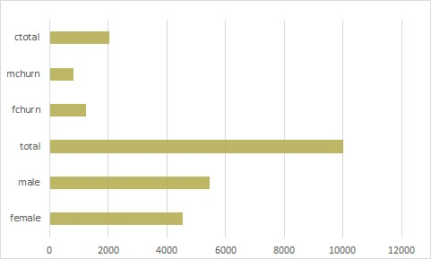
MALE
54.6%
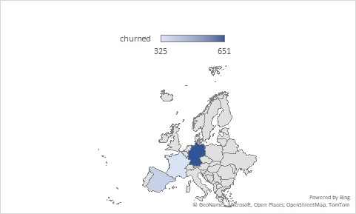

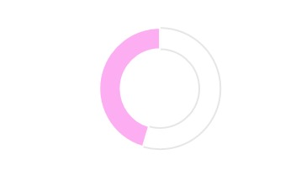

FEMALE
45.5%

AGE GROUP VS CHURN
NO.OF PRODUCTS VS CHURN
CREDIT SCORE VS CHURN

